ASQ Overview
CRI Financial Services AI Risk Management Framework (FS AI RMF)
Adoption Stage Questionnaire
Overview
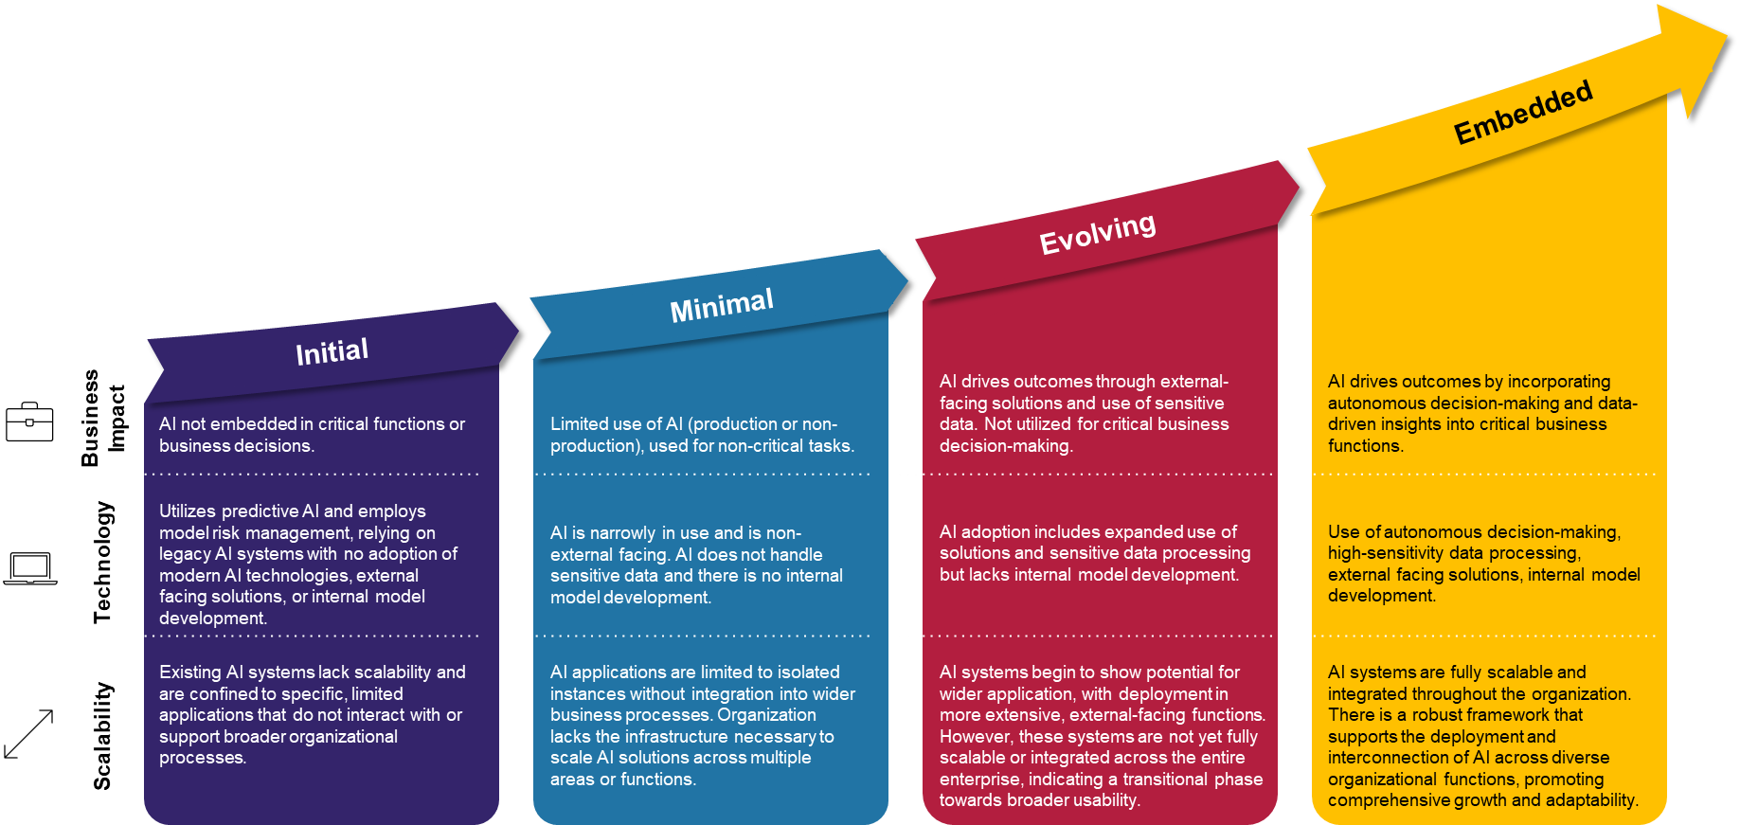
Note: This workbook pertains ONLY to the Control Objective information relevant to the Stage 1 - Initial. It should only be used by organizations at the "Initial" stage of adoption, as determined by this Questionnaire, or by organizations looking for a "quick start" guide focused on only the most fundamental Control Objectives. After completing the Questionnaire, if your organization is at Adoption Stages 2, 3, or 4, please see the Full RCM.

The AI Adoption Stage Questionnaire (ASQ) guides organizations through a self-assessment that helps determine their current AI Adoption Stage, classifying it into one of the four stages defined below:
(1) Initial features limited and protective methods;
(2) Minimal entails low-risk implementations;
(3) Evolving involves high-risk production applications; and
(4) Embedded describes AI that is widely integrated across the organization.

Each of these 4 stages consider:
(1) Business impact of AI;
(2) Technology Implementation; and
(3) Scalability.

Initial Stage
Business Impact | AI is not embedded in critical functions or business decisions.
Technology | Utilizes predictive AI and employs model risk management, relying on legacy AI systems with no adoption of modern AI technologies, external facing solutions, or internal model development.
Scalability | Existing AI systems lack scalability and are confined to specific, limited applications that do not interact with or support broader organizational processes.

Minimal Stage
Business Impact | Limited use of AI (production or non-production), used for non-critical tasks.
Technology | AI is narrowly in use and is non-external facing. AI does not handle sensitive data and there is no internal model development.
Scalability | AI applications are limited to isolated instances without integration into wider business processes. Organization lacks the infrastructure necessary to scale AI solutions across multiple areas or functions.

Evolving Stage
Business Impact | AI drives outcomes through external-facing solutions and use of sensitive data. Not utilized for critical business decision-making.
Technology | AI adoption includes expanded use of solutions and sensitive data processing but lacks internal model development.
Scalability | AI systems begin to show potential for wider application, with deployment in more extensive, external-facing functions. However, these systems are not yet fully scalable or integrated across the entire enterprise, indicating a transitional phase towards broader usability.

Embedded Stage
Business Impact | AI drives outcomes by incorporating autonomous decision-making and data-driven insights into critical business functions.
Technology | Use of autonomous decision-making, high-sensitivity data processing, external facing solutions, internal model development.
Scalability | AI systems are fully scalable and integrated throughout the organization. There is a robust framework that supports the deployment and interconnection of AI across diverse organizational functions, promoting comprehensive growth and adaptability.

